README
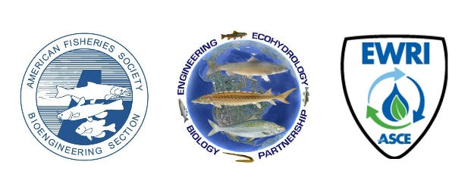 Glossary

Please Read this Page before Using the Glossary!

1 | This glossary has been colated by Education Committee of the BioEngineering Section (BES) of the American Fisheries Society (AFS)
2 | The glossary is intended to accompany two products by BES (version 1.0 May 2023): a series of checklists and a Training Portal.
3 | The glossary has been curated from exiting Federal and State govermentment douments in our field of practice. A few listings refer specifically to a definiton for a particular state.
4 | The glossary is in alphabetical order, and both terms and definitions can be searched for a word using the "search" function in the header row of the table.
5 | References used in some defitions can be found in the "Reference" tab
6 | The glossary and accompaning products are provided as a service to our community of practice, especially newer practitioners and on the ground project managers and are not being endorsed by AFS or BES.

 |  | Project Home Page:
 |  | https://units.fisheries.org/fishpassagejointcommittee/fishpassagetrainingportal/

